HW 2
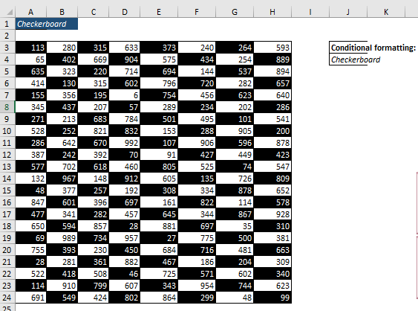
Checkerboard

663 | 859 | 667 | 991 | 416 | 739 | 593 | 577
467 | 740 | 841 | 124 | 863 | 857 | 132 | 581 | >>Formatted using conditional foarmatting using formulla =MOD(ROW(),2)=MOD(COLUMN(),2)
374 | 856 | 789 | 437 | 649 | 971 | 669 | 567
909 | 531 | 136 | 943 | 826 | 812 | 779 | 681
390 | 467 | 567 | 831 | 287 | 601 | 528 | 854
198 | 493 | 606 | 697 | 811 | 438 | 960 | 497
318 | 828 | 756 | 924 | 645 | 559 | 474 | 909
835 | 200 | 808 | 265 | 838 | 583 | 797 | 713
381 | 813 | 234 | 485 | 651 | 841 | 458 | 613
356 | 476 | 207 | 593 | 972 | 884 | 516 | 227
619 | 260 | 379 | 715 | 783 | 647 | 989 | 440
717 | 584 | 249 | 531 | 839 | 320 | 650 | 156
213 | 853 | 520 | 879 | 361 | 641 | 604 | 843
204 | 152 | 583 | 596 | 827 | 599 | 742 | 831
913 | 626 | 746 | 402 | 263 | 759 | 645 | 666
277 | 450 | 377 | 684 | 173 | 893 | 268 | 748
674 | 204 | 922 | 989 | 463 | 592 | 823 | 780
950 | 145 | 401 | 135 | 682 | 714 | 229 | 484
462 | 461 | 404 | 663 | 703 | 491 | 456 | 739
699 | 870 | 471 | 715 | 547 | 275 | 930 | 449

HW 3
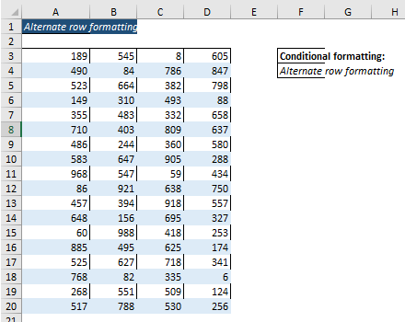
Alternate row formatting
611 | 708 | 169 | 423
426 | 992 | 787 | 548 | >>Formatted using conditional foarmatting using formulla =MOD(ROW(),2)=1
376 | 312 | 230 | 723
649 | 391 | 840 | 805
267 | 301 | 276 | 299
359 | 427 | 681 | 332
948 | 942 | 188 | 242
968 | 484 | 263 | 370
757 | 214 | 209 | 529
467 | 339 | 607 | 997
450 | 670 | 925 | 137
621 | 304 | 651 | 222
433 | 318 | 224 | 983
178 | 389 | 225 | 960
409 | 116 | 389 | 629
948 | 842 | 444 | 488
577 | 758 | 791 | 439
127 | 916 | 763 | 256
917 | 410 | 853 | 112

HW 5
Number Formating
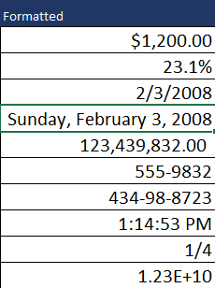
Unformatted | Formatted | Type | Formatted as
1200 | $1,200.00 | Currency | >>"$"#,##0.00
0.231 | 23.1% | Percentage | >>as per inbuilt standard
2008-02-03 | 2/3/2008 | Short Date | >>m/d/yyyy
2008-02-03 | 2008-02-03 | Long Date | >>dddd, mmmm d, yyyy
123439832 | 123,439,832.00 | Accounting | >>Checked on comma sep. option
5559832 | 5559832 | Phone Number | >>###-####
434988723 | 434988723 | Social Security Number | >>###-##-####
0.552 | 13:14:53 | Time | >>hh:mm:ss AM/PM
0.25 | 0.25 | Fraction | >>as per inbuilt standard
12332354090 | 1.23E+10 | Scientific | >>as per inbuilt standard

HW 7
Convert the Seconds in Hour and Minutes Formats
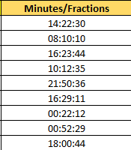
Seconds | Minutes/Fractions
224550 | 1900-01-02 14:22:30 | >>Divided by 86400 to get the hour,minute and second results.
202210 | 1900-01-02 08:10:10
231824 | 1900-01-02 16:23:44
123155 | 1900-01-01 10:12:35
165036 | 1900-01-01 21:50:36
145751 | 1900-01-01 16:29:11
174132 | 1900-01-02 00:22:12
175949 | 1900-01-02 00:52:29
151244 | 1900-01-01 18:00:44

